Test Report
Default Test Run Report

Project Name |  |  | Project 1
User Name |  |  | MTS
Test Name |  |  | MME 3407_S20 50mm Gage Length ASTM E8 Metals Tension (Extensometer-Crosshead) 51
Test Run Name |  |  | Test Run 1
Test Run Date |  |  | 2/12/2021 10:15:36 AM

Test Run Review Graph
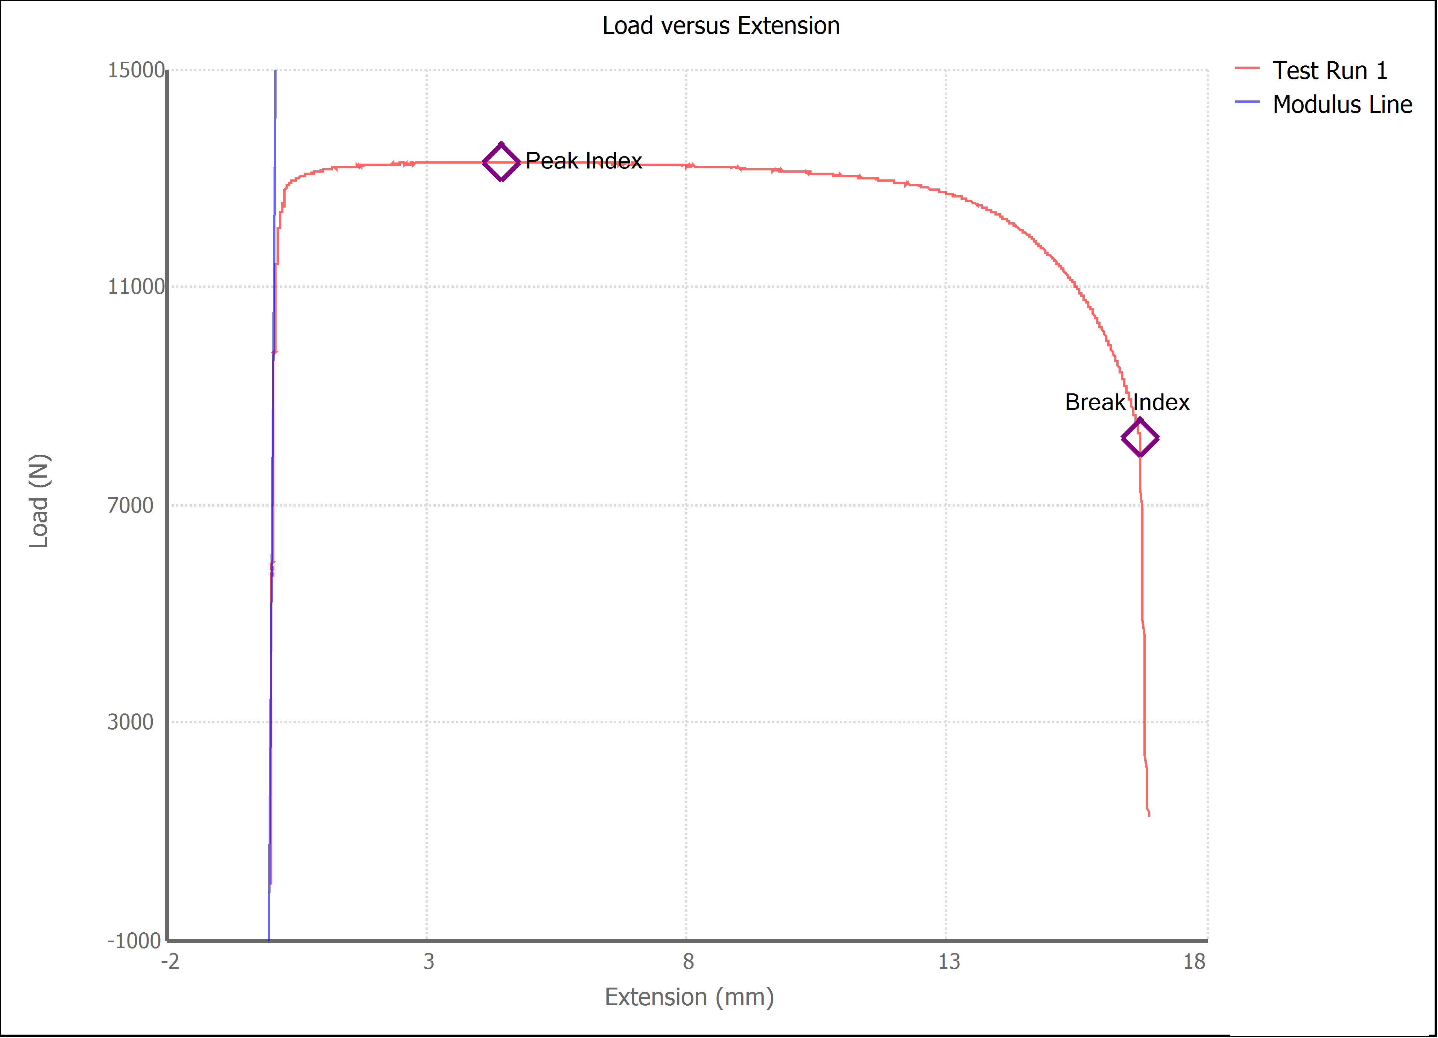

Test Run Results:
Display Name | Value | Unit
Test Run End Reason | Break Detected
Width | 13.493 | mm
Thickness | 3.170 | mm
Final Width | 9.180 | mm
Final Thickness | 2.120 | mm
Test ID | Jorge 1018
Initial Marked Gage Length | 50.000 | mm
Maximum Force | 2989.835 | lbf
Maximum Stress | 310.9 | MPa
Elongation at Fracture | 28.272 | %
Elongation after Break | 30.640 | %
Upper Yield strength | 304.799 | MPa
Modulus of Elasticity | 180464.570 | MPa
Yield Strength (Offset = 0.2%) | 284.680 | MPa
Yield Strength (EUL = 0.5%) | 292.484 | MPa
Removal Point | 1.250 | mm
Ultimate Tensile Strength | 310.925 | MPa
Reduction of Area | 54.5011 | %
Lower Yield Strength | #NUM! | MPa
Final Marked Gage Length | 65.320 | mm

